SQL 3 % of GDP Per Region 2012
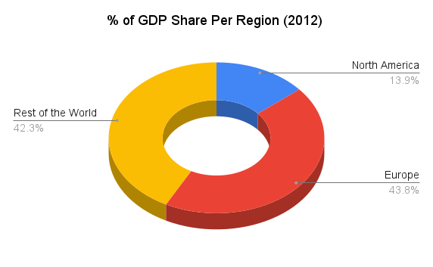
North America | Europe | Rest of the World
13.92% | 43.83% | 42.25%

SQL Pull:

SQL 3 Trend 2004-2012 Viz
% of GDP Share Per Region Trend (2004-2012)
Year | North America | Europe | Rest of the World
2004 | 15.71% | 56.82% | 27.47%
2008 | 13.92% | 55.66% | 30.38%
2012 | 13.92% | 43.83% | 42.25%

SQL Pull (2004):

SQL Pull (2008):

SQL Pull (2012)

